1. Title Page
[Instacart Basket Analysis]

Project Name: Instacart Basket Analysis
Date: January 2025
Analyst Name: Sherezade Maqueda

Contents:
Population Flow
Consistency checks
Wrangling steps
Column derivations
Visualizations
Recommendations

2. Population Flow
Title page

Population flow

Exclusion flag
Condition: max_order < 5
Obervations to be removed: Customers with fewer than 5 orders are excluded to focus on more active shoppers.
Final total count of order_products_all: 30,964,564 entries

Orders_products_combined
Orders_products_merged
Orders_products_all

Total: 32,404,859
Total: 32,434,489
Total: 32,404,859

1.) The grey boxes in the first row of the population flow represent the original data sets as they were when you downloaded them. In the Total fields you need to add the count of the rows when you imported the data set into Jupyter.
2.) The second row of boxes (coloured) represents the data sets after you manipulated them, e.g., removed missing values and duplicates. In the Total fields you need to add the count of the rows after conducting these operations. This offers a visual oveview of how the data flows throughout the data consistency checks.
3.) The third row, where also the arrows are coloured, represents the merges you performed between the datasets. In the Total fields you need to add the count of the rows in the merged datasets, so that you end up with the final dataset (in the red box). Keep in mind the final dataset should be without exclusions (based on the exclusion flag).

3. Consistency checks
 |  |  |  | Title page
Consistency checks

Dataset | Missing values | Missing values treatment | Duplicates
orders | days_since_prior_order | All orders with the number 1 had values of 0. This is not missing or an error; there is no previous orders prior the first order. | None
products | None | None | None
orders_products_prior | None | None | None
customers | first_name | There are 11,259 missing values in first_name. Everything else is accounted for. Left this alone as NaN. | No duplicates

4. Wrangling steps
 |  |  |  | Title page
Wrangling steps

Columns dropped | Columns renamed | Columns' type changed | Comment/Reason
eval_set |  |  | Not needed in analysis
mean_price |  |  | Not needed in analysis
reordered |  |  | Not needed in analysis
_merge (all flags) |  |  | Not needed in analysis
median_ords |  |  | Not needed in analysis
first_name |  |  | PII data - use user_id instead
last_name |  |  | PII data - use user_id instead

 | order_day_of_week |  | Changed due to spelling or grammar error
 | gender |  | Changed due to spelling or grammar error
 | state |  | Changed due to spelling or grammar error
 | age |  | Changed due to spelling or grammar error
 | days_since_last_order

5. Column derivations
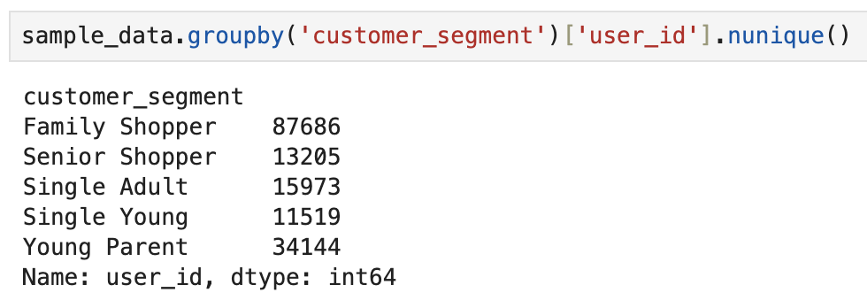
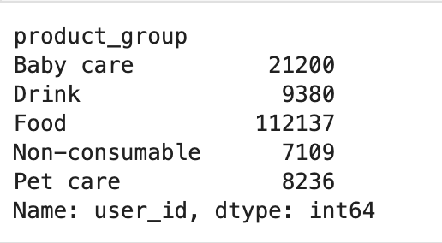
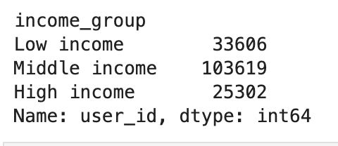
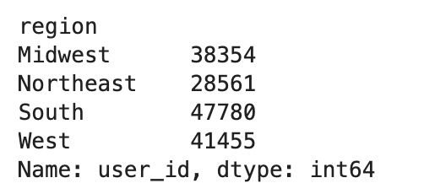
 |  |  |  | Title page

Column derivations and aggregations

In this tab you should add tables below that the frequences of flags/label variables that you produced after deriving them. NB: don't do this for continuous variables, only for flags.
Dataset | New column | Column/s it was derived from | Conditions
ords_prods_busy_day_hour_7.pkl | price_range_loc | prices | Classifying high-range products, mid-range products, and low-range products
ords_prods_busy_day_hour_7.pkl | busiest_day | order_day_of_week | Classifying busiest days, regularly busy days, and least busy days

ords_prods_busy_day_hour_7.pkl | busiest_days | order_day_of_week | Classifying top two busiest days, normal days, and bottom two slowest days
ords_prods_grouping_8.pkl | max_order | user_id and order_number | Created this for another new column loyalty_flag to show max values of orders
ords_prods_grouping_8.pkl | loyalty_flag | max_order | Classifying regular customers, loyal customers, and new customers
ords_prods_grouping_8.pkl | spending_flag | spending_habits | Classifying high spenders and low spenders
ords_prods_grouping_8.pkl | order_flag | ordering_habits | Classifying frequent customers, regular customers, and non frequent customers
sample_data_segmentation.pkl | customer_segment | age, n_dependants | Created customer profile segments based on age and number of dependants
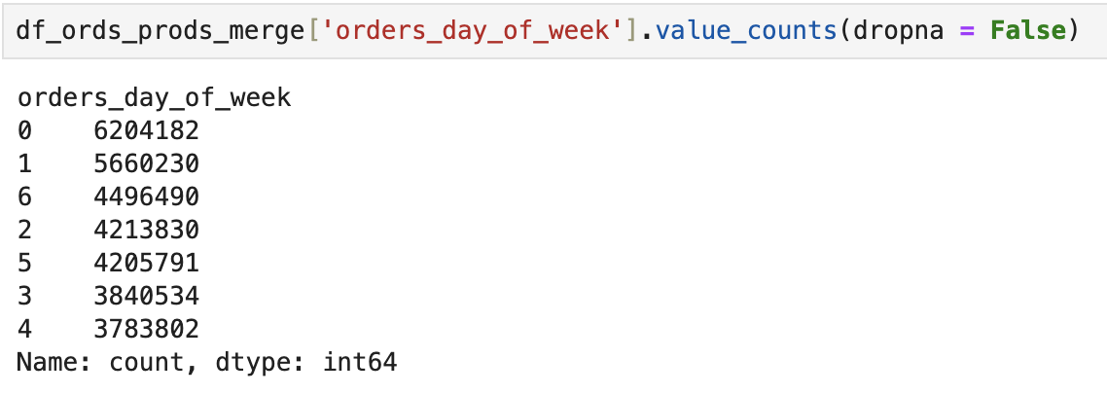
sample_data_segmentation.pkl | income_group | income | Created income groups based on mean and standard deviation of income column
sample_data_segmentation.pkl | product_group | department_id, department | Create product classification based on department_id and name to divide into food, drink, baby care, pet care and no consumables
subset_ords_prods_cust.pkl | region | state | Create regional divisions based on the US Census Bereau and the state column

6. Visualizations
 |  |  |  |  |  |  |  | Title page

Visualisations
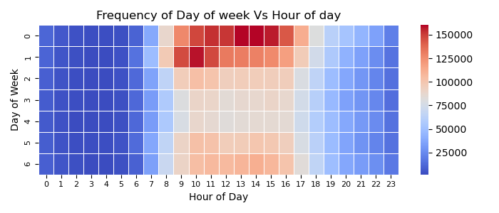

In this tab you should include all the visualtions from Exercises 4.9 and 4.10, alongside the questions from the project brief that they answer. Include any commentary on the relationship between different variables.

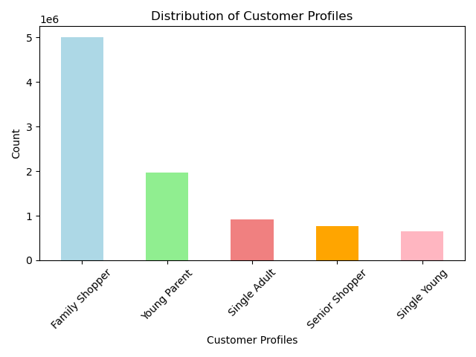 |  | 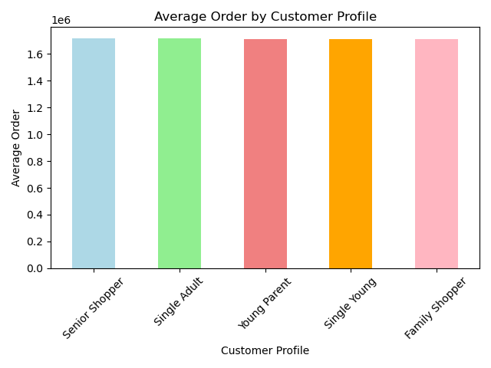 |  | 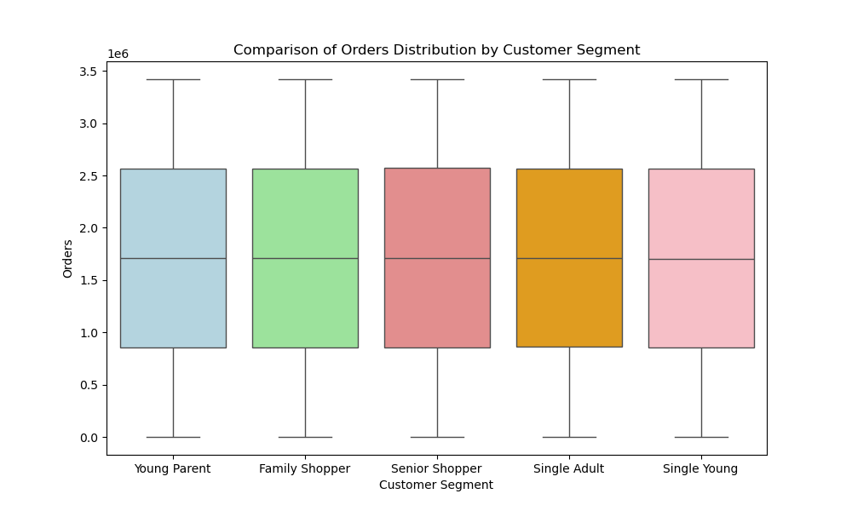 |  | 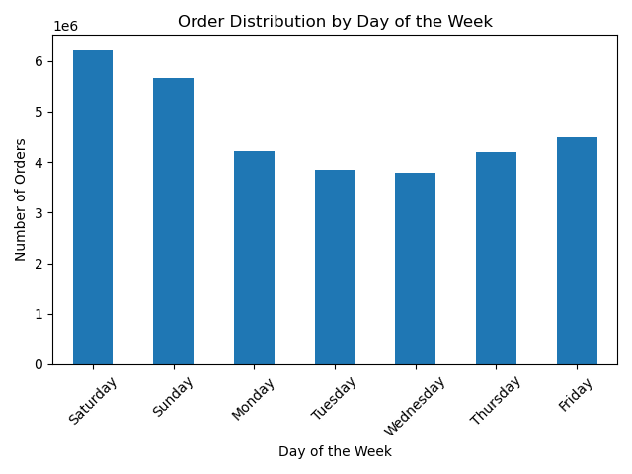 | 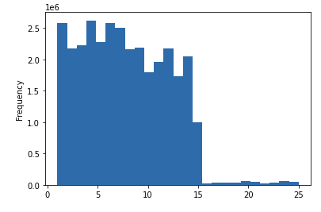 |  |  | 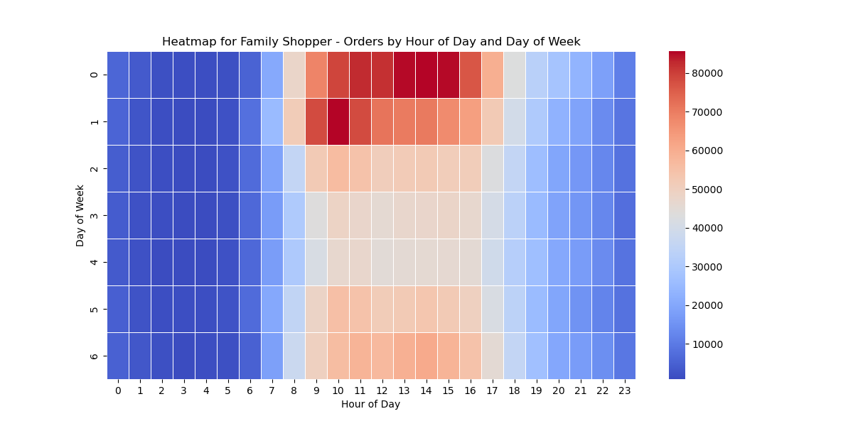 |  |  |  |  | 

 | Figure 1. This is a bar chart of customer profiles based on a user-defined function to establish critieria and categorize each user in the system. Figure1.b and 1.c represent the average and standard spending by customer profile Figure 1.d is a box plot representing a comparison of orders distribution by customer segment. Figure 1.e represents the average orders by customer profile | 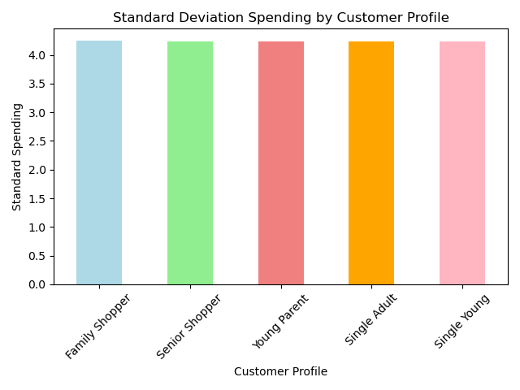 |  |  |  |  | Figure 3. This bar chart displays customers' shopping habits on Instacart. Numeric markers on the y-axis represent frequency. Numeric markers on the x-axis represent days of week. |  | Figure 5. Most products are between 1 and 15 dollars while a few are higher priced between 15 and 25 dollars. |  | Figure 4. Here it's a heatmap of order volume comparing days of week and hours of day. Figrure 4.1 to 4.5 are individual heatmaps for each customer segment
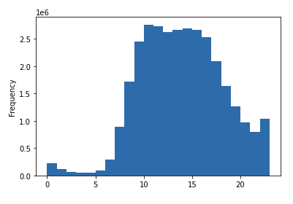
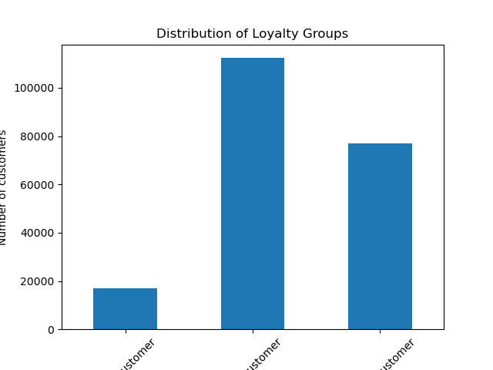

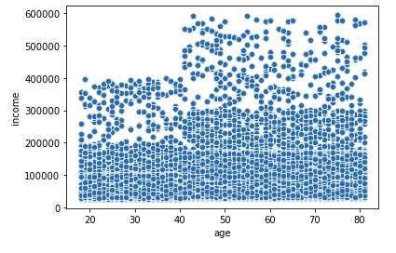
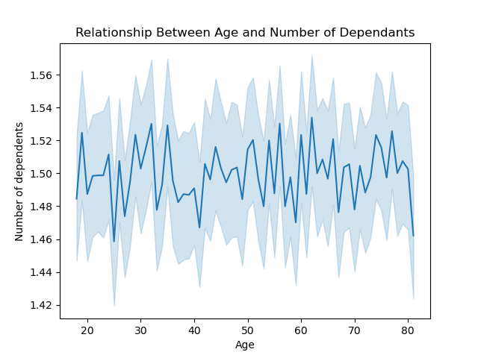

 |  |  |  |  |  |  |  |  | Figure 2. The scatterplot have mutiple data points. In fact, this scatterplot shows all data points in the dataframe. Most customers' income are at or below 30,000 across all age groups. The income max for customers under 40 is under 41,000. Customers with an income of 60,000 are in the 41-80 age range. However, descriptive stats show some misleading aggregation in regards to income mean and median due to potential income outliers. Regarding to outliers, it is possible that some customers fill in income as combined income instead of their own individual income. There are 101,623 records of customers with an income exceeding 300,000. There are 3 million records in the dataframe which means 29% of the customers in the dataframe earn 300,000 or more and this defines their spending power.

 | Figure 6. Numeric markers on the x-axis represent hour of the day in a 24H clock. Most orders occur between 0900 (9:00 a.m.) and 1500 (3:00 p.m.). Fewer orders are placed in the evening hours betweem 1600 and 2000 (4:00 - 8:00 p.m.). Fewest orders are the hours in between evening and morning which makes sense because 1) most people are sleeping during those hours and 2) most grocery stores are closed at this time. |  | Figure 7. Customer profiles. Regular customers make up roughly half of the database. New customers and loyal customers combined together make up the other half. A bar chart has been created to visualize the distribution of orders among customers in terms of loyalty using the 'loyalty_flag' column. Regular customers contributed to most of the sales. Loyal customers recieve special membership perks so they recieve some discounts in their sales. New customers are first-timers or sproadic shoppers based on x number of days in between last order and most recent order in another column (not seen in the bar chart). |  | Figure 8. The hours in a day are on the bottom (x-axis) and the range of product prices is on the left (y-axis). The blue line represents how prices differ depending on the hour in a day. The peak at 1100 (11:00 a.m.) means that most money is spent at this time of day which makes sense since this is when most customers gather food to eat for lunch (normal lunch time is at noon) or grab lunch and buy groceries for future meals at the same time. There are no error bands circling the blue line. |  | Figure 9.The line fluctuates significantly across ages without showing a clear relationship between age and the number of dependents. This suggests that there may not be a meaningful connection between these two variables. The y-axis ranges only from approximately 1.42 to 1.56, indicating that the average number of dependents is fairly stable and doesn’t vary much across age groups. The wide confidence intervals suggest significant variability within the data, which could be attributed to small sample sizes for certain age groups, noise in the data, or randomness due to the lack of a true relationship.

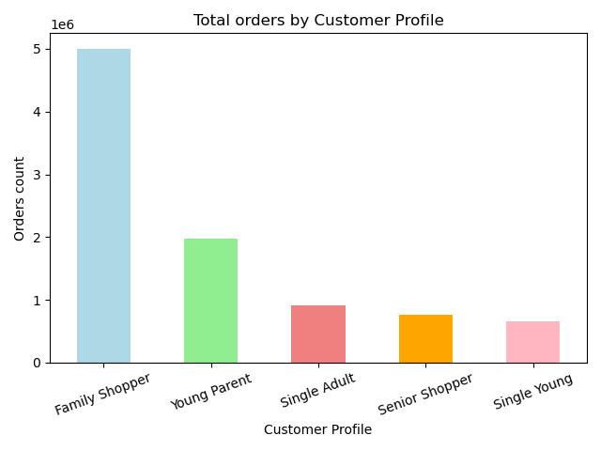
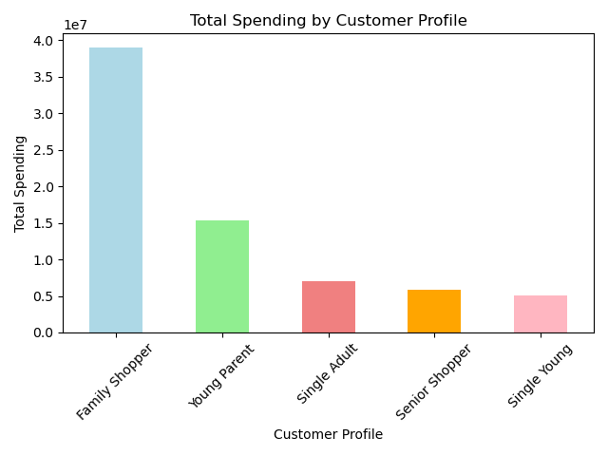
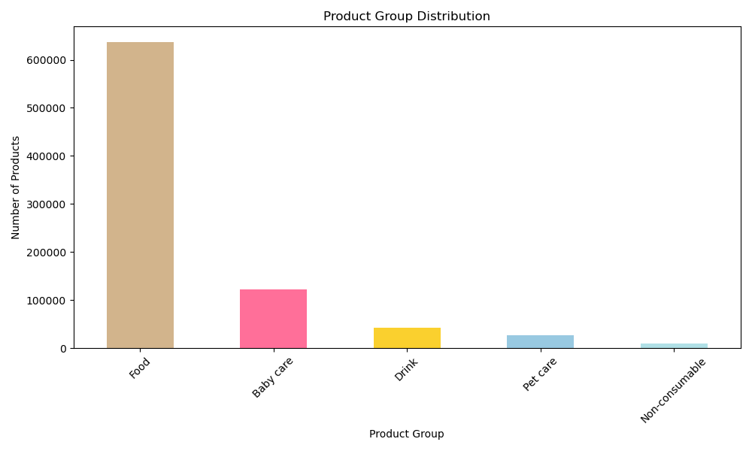
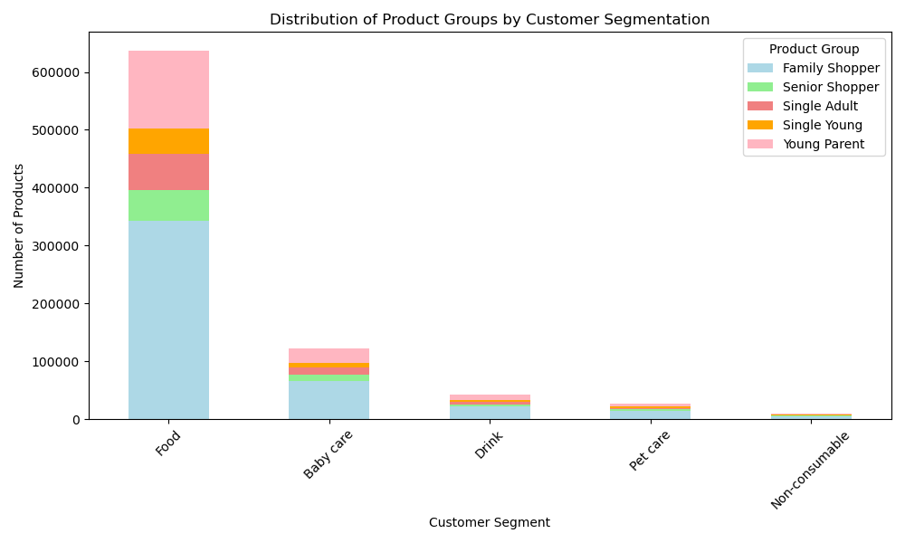

 | Figure 10. This visualisation represent the number of orders per customer profile. As the visualisations shows Family Shoppers have a higher number or orders, as they represent the biggest group, followed by Young Parents. There is a significant decrease in orders in the following groups (Single Adults, Senior Shoppers and Single Youngs) as they represent smaller or individual family units (no dependants or less number of dependants than families for Senior Shoppers) |  | Figure 11. In this total spending by customer proflie the data shows that Family Shoppers spend more than doble the amount as the next customer profile, Young Parents. This fits the data that we have as they are bigger family units and have bigger orders. In terms of spending power Single Adults are in the middle eventhough they represent just one person usually the age range between 35 and 60 has higher income levels as the last two groups: Senior Shoppers, which are in retirement in most cases, and Single Youngs, who probably are at the beginning of their careers or even living with the parents still and not shopping groceries for themselves. |  | Figure 12. This bar chart illustrates the distribution of product groups in terms of the number of products offered in each category. The chart highlights that Food products make up the largest portion, with over 600,000 items, significantly outpacing the other categories. Baby care follows with a much smaller quantity, while Drink, Pet care, and Non-consumable categories show relatively minimal representation in comparison. The stark contrast between Food and the other categories indicates that grocery shopping, particularly food, dominates the overall product distribution in the market, with non-food items playing a secondary role. |  | Figure 13. This stacked bar chart shows the distribution of product groups across different customer segments. The "Food" category dominates, with the Family Shopper segment making up the largest portion of purchases in this category. The chart reveals that Family Shoppers contribute significantly to product purchases in all categories, especially Food. Other customer segments like Single Adults, Senior Shoppers, and Young Parents also show participation, but in much smaller amounts for non-food products like Baby Care, Drink, Pet Care, and Non-consumable items. The chart suggests that food-related products drive the most engagement, with Family Shoppers being the key segment across these product categories. |  | Figure 1.b This is a bar chart of customer profiles based on a user-defined function to establish critieria and categorize each user in the system. |  | Figure 1c This is a bar chart of customer profiles based on a user-defined function to establish critieria and categorize each user in the system.

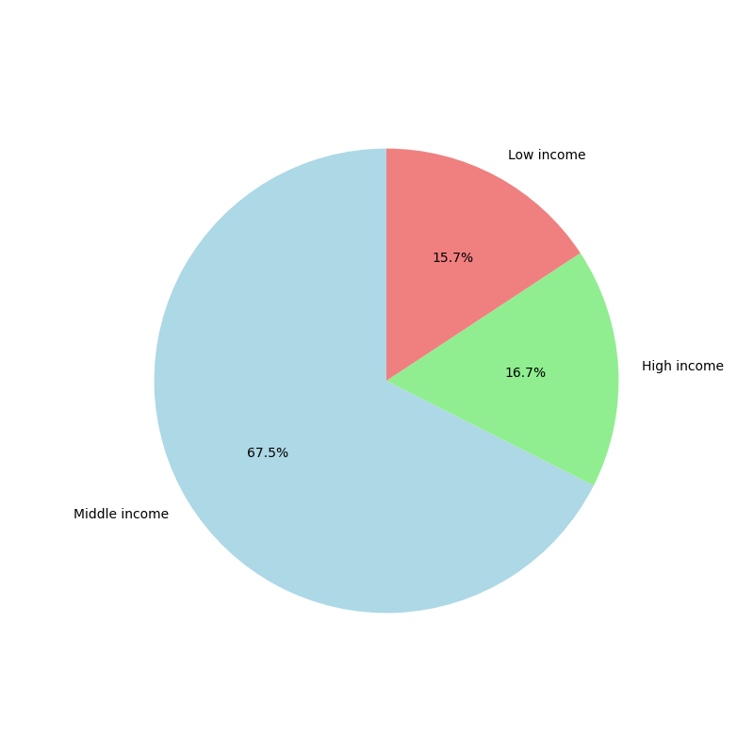

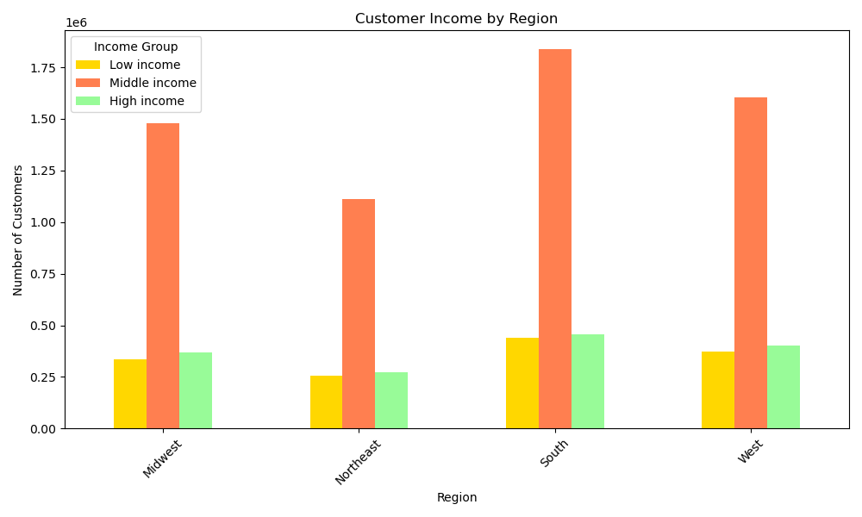
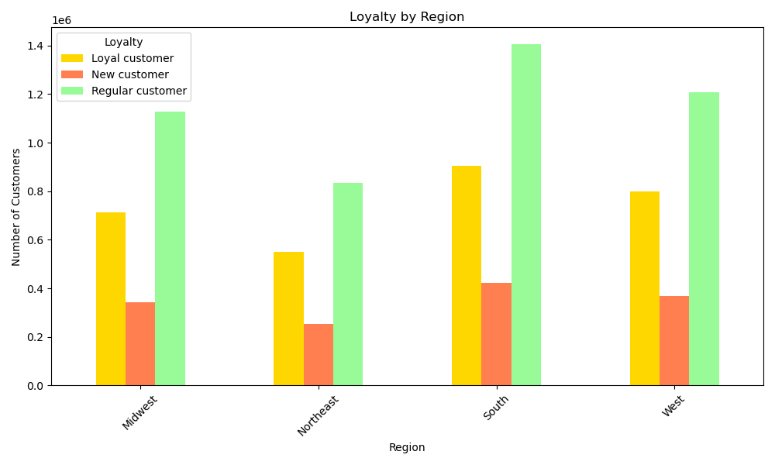
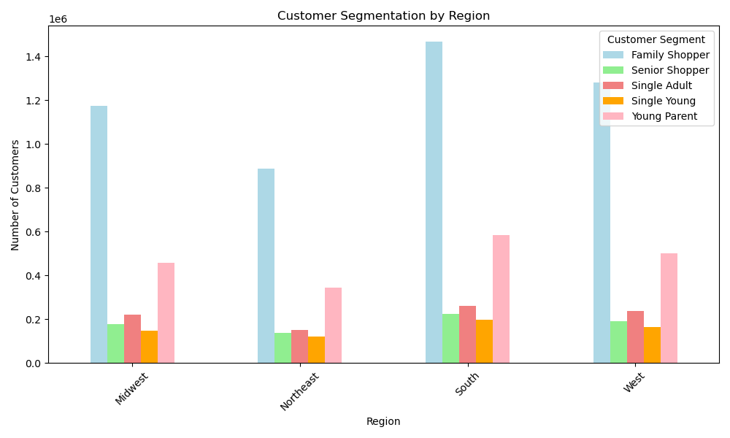
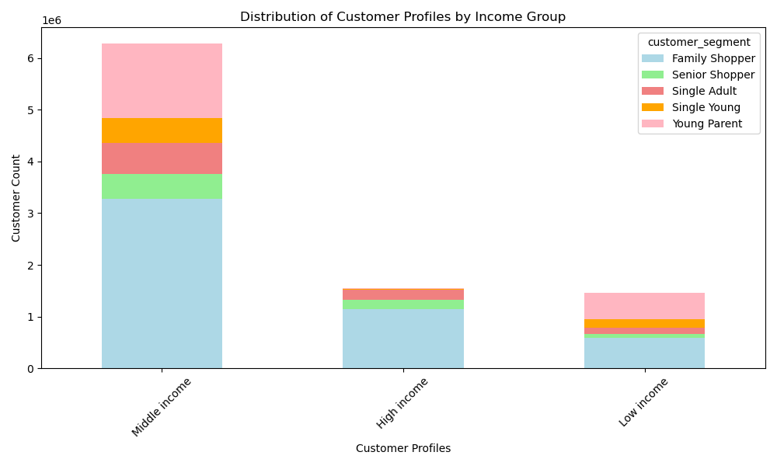

 |  |  | Figure 15. This stacked bar chart visualizes the distribution of customer profiles across different income groups (Middle, High, and Low income). The chart shows that the "Middle income" group accounts for the largest portion, with over 6 million customers. Within this group, the "Family Shopper" segment dominates, followed by "Single Young" and "Young Parent." The "High income" and "Low income" groups have much smaller customer counts, approximately 2 million and 1 million customers, respectively. "Family Shoppers" also make up a significant proportion of these smaller income groups. This visualization reveals that Family Shoppers are the largest segment, particularly in the middle-income bracket, highlighting the importance of targeting family-oriented products and services. |  | Figure 16. This bar chart shows the distribution of customer income by region, revealing the number of customers across three income groups: Low, Middle, and High income. The South region dominates with over 1.5 million customers, primarily from the Middle income group (green), which makes up the majority of the South's customer base. The Midwest and Northeast regions show a more balanced distribution, with Middle income customers again leading, followed by Low income customers (light blue), and High income customers (red). The West region mirrors this pattern, with a significant presence of Middle income customers, though the numbers are slightly smaller than in the South. This visualization highlights the dominance of the Middle income group in most regions, especially the South, making it an essential target for marketing campaigns. |  | Figure 16. This bar chart illustrates the distribution of customer loyalty segments across four regions: Midwest, Northeast, South, and West. The Regular customer segment is the largest across all regions, with the South leading at approximately 1.4 million regular customers, followed by the West and Midwest, each with around 1.2 million. The Loyal customer segment is the second largest, with the highest concentration in the South at around 900,000, while the Northeast has the lowest number of loyal customers, approximately 550,000. The New customer segment consistently remains the smallest, ranging between 250,000 and 400,000 across all regions. Overall, the South has the highest total number of customers in all categories, suggesting it is a crucial market for customer retention, whereas the Northeast has the lowest customer volume, particularly in new customer acquisition, indicating potential growth opportunities in that region. |  | Figure 17. This bar chart illustrates customer segmentation across four regions: Midwest, Northeast, South, and West, categorizing customers into Family Shopper, Senior Shopper, Single Adult, Single Young, and Young Parent segments. Family Shoppers represent the largest segment in all regions, with the South having the highest count, exceeding 1.4 million customers, while the Northeast has the fewest, at under 900,000. The Young Parent segment is the second-largest across all regions, with the South again leading, followed by the West and Midwest. Other segments, such as Single Adult, Senior Shopper, and Single Young, have relatively lower customer counts, but their distribution remains consistent across all regions. Overall, this visualization highlights the dominance of Family Shoppers and Young Parents in all regions, with regional variations that may inform targeted marketing strategies.
 | Figure 14. This visualisation represent the number of orders per customer profile. As the visualisations shows Family Shoppers have a higher number or orders, as they represent the biggest group, followed by Young Parents. There is a significant decrease in orders in the following groups (Single Adults, Senior Shoppers and Single Youngs) as they represent smaller or individual family units (no dependants or less number of dependants than families for Senior Shoppers)

 |  |  |  |  |  |  |  |  |  |  |  |  |  | Figure 8.

7. Recommendations
 |  |  | Title page

Recommendations

In this tab you should include any recommendations you would made to Instcart in terms of their marketing strategy based on the questions posed in the brief. Every key question has been covered in the Tasks of the Exercises - here you need to add an item - a visualisation or table/crosstable that is showing the answer in the data, acompanied by a comment from you. Please, list the questions below and add the answer underneath.

Question |  | Answer
Key Question 1 |  | The top two busiest days of the week are Sunday and Monday. Most busy times on most days are between 1000 and 1400 (10am to 2pm). The days and times with most orders are Sundays from 1100 to 1200 (11am-12pm). The least busy days to push marketing for more orders would be Wednesdays (second least busy) and Thursdays (least busy).
Key Question 2 |  | Lunchtime is the best time; most orders on most days occur between 1000 and 1600.
Key Question 3 |  | The five most popular produce items are as followed in order of rank: banana, bag of organic bananas, organic strawberries, organic baby spinach, and organic hass avocado. Organic whole fruits are the hottest items. However, diary and eggs lead the most in sales compared to other departments.
Key Question 4 |  | The distribution among users in regards to their brand loyalty is 1 out of 3. This is consistent throughout customer profiles.
Key Question 5 |  | Family Shppers make the most purchases compared to other customers.
Key Question 6 |  | Differences in ordering habits among regions appear to be similar.
Key Question 7 |  | Yes, there is a connection between number of dependents and family status in terms of ordering habits. The only customers who don't have dependents are either divorced, widowed or single. Married couples have at least 1 number of dependents as well as customers who live with parents and or sibilings.

Recommendations
1 | Convert Regular Customers into Loyal Customers through personalized discounts, exclusive perks, and tiered membership benefits.
2 | Offer affordable pricing options for middle- and low-income customers while promoting premium product lines to high-income shoppers.
3 | Expand operations in high-demand regions (South), while increasing outreach in lower-engagement areas (Northeast). Use regional shopping trends to drive targeted promotions.
4 | Introduce incentives for weekday and off-peak hour shopping, reducing congestion during peak hours and ensuring a better shopping experience.
5 | Encourage purchases of less popular product categories by offering bundles and complementary product recommendations.
Results

 | Customer Segmentation

 | Instacart's customer segmentation analysis highlights Family Shoppers as the largest segment across all regions, followed by Young Parents, while Single Adults, Senior Shoppers, and Single Young customers represent a smaller share. This indicates that most users are shopping for multiple people, leading to larger basket sizes and frequent purchases.

 | Enhance convenience and incentives for Family Shoppers and Young Parents

 | Implement subscription-based discounts (e.g., loyalty programs for bulk purchases).
 | Offer targeted promotions on family-oriented products.
 | Provide personalized meal-planning features to simplify shopping.

 | Increase engagement among Single Adults and Senior Shoppers

 | Offer single-serving meal kits tailored to their needs.
 | Provide personalized recommendations based on past purchases.
 | Implement a user-friendly interface designed for senior accessibility.

 | Income Analysis

 | The income distribution analysis reveals that the Middle-income group constitutes the largest customer segment, particularly among Family Shoppers and Young Parents. In contrast, the High-income segment is significantly smaller, while the Low-income segment remains relatively modest.

 | Instacart should tailor pricing and promotional strategies based on income levels:

 | Middle-income customers (largest segment)

 | Offer promotions on household essentials to encourage repeat purchases.
 | Provide personalized discounts based on shopping behavior.
 | Introduce budget-friendly meal bundles to appeal to cost-conscious shoppers.

 | High-income customers

 | Emphasize premium, organic, and specialty products in targeted marketing.
 | Offer faster delivery options and exclusive services.
 | Implement tiered loyalty programs with perks such as priority delivery and high-end product discounts.

 | Low-income customers

 | Focus on affordability by offering discounts on staple foods.
 | Introduce bulk purchasing incentives to lower costs for essential items.
 | Partner with food banks or discount programs to improve accessibility and retention.

 | Customer Loyalty

 | The loyalty analysis indicates that Regular Customers form the largest segment across all regions, while Loyal Customers make up a smaller but significant portion. New Customers remain the smallest group, with numbers ranging between 250,000 and 400,000 per region.

 | Converting Regular Customers into Loyal Customers

 | Offer subscription-based savings to incentivize repeat purchases.
 | Provide exclusive discounts and premium delivery services to increase engagement.
 | Implement personalized promotions and early access to sales for frequent shoppers.

 | Strengthening Loyalty Among Existing Loyal Customers

 | Maintain loyalty rewards programs to encourage sustained engagement.
 | Offer early access to special promotions and exclusive deals.
 | Enhance personalized shopping experiences through AI-driven recommendations.

 | Retaining and Engaging New Customers

 | Introduce welcome discounts to encourage first-time purchases.
 | Simplify the onboarding process with curated shopping lists and personalized recommendations.
 | Improve the app experience by making navigation, checkout, and product discovery intuitive.

 | Regional Segmentation

 | The regional analysis reveals that the South has the largest customer base across all segments, while the Northeast has the smallest. The Midwest and West have similar engagement levels but remain below the South in overall customer volume. This are some recommendations for each region

 | Expanding Operations in the South (High-Demand Region)

 | Implement targeted promotions to strengthen engagement in highly active market.
 | Optimize logistics and delivery efficiency to handle high order volumes effectively.

 | Improving Customer Acquisition in the Northeast (Lowest Engagement Region)

 | Launch region-specific promotions to attract new users.
 | Increase localized advertising efforts to raise brand awareness.
 | Enhance delivery coverage and speed to improve service quality in this market.

 | Using Regional Shopping Preferences

 | Use data-driven insights to tailor promotions based on regional purchasing behaviors.
 | Offer discounts on regionally popular products to drive targeted engagement.
 | Customize product recommendations to reflect local food trends and cultural preferences.

 | Time of Day & Day of Ordering Analysis

 | The time-of-day analysis indicates that most orders occur between 9:00 AM and 3:00 PM, with a sharp decline between 4:00 PM and 8:00 PM and the lowest activity from midnight to 6:00 AM. This pattern aligns with consumer behavior, where shoppers purchase groceries in the morning or early afternoon, likely for meal preparation or as part of their daily routine.

 | Encourage Off-Peak Hour Shopping

 | Offer discounts on delivery fees for orders placed during the evening or overnight hours.
 | Introduce time-based promotions to shift demand to less busy periods.

 | Manage Peak Hour Demand Efficiently

 | Increase the availability of same-day or express delivery slots to reduce wait times.
 | Optimize fulfillment operations to handle high morning and afternoon demand.

 | The day-of-week analysis reveals that order volumes peak on specific days, most likely Saturdays and Sundays, indicating that many users prefer bulk grocery shopping on weekends. To balance demand throughout the week, Instacart should:

 | Promote Weekday Shopping
 | Offer weekday-only discounts to incentivize midweek purchases.
 | Implement express checkout incentives to speed up order processing.
 | Provide subscription-based perks for weekday orders, such as free or discounted delivery.

 | Product Preferences

 | The product pricing analysis shows that most products fall within the $1 to $15 range, with higher-priced items ($15-$25) being less common. The "Food" category dominates purchases, particularly among Family Shoppers and Young Parents, while non-consumable goods (such as Pet Care, Baby Care, and Drinks) have significantly lower purchase volumes.

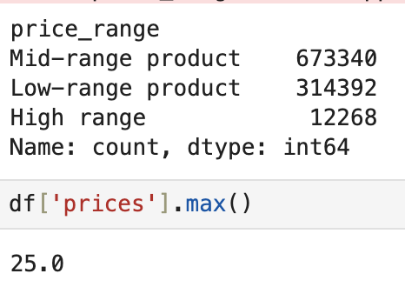
 | Strengthen Marketing for High-Demand Food Products

 | Focus promotions on staple food items that drive the most purchases.
 | Offer bulk purchase discounts tailored to Family Shoppers and Young Parents.

 | Boost Sales of Underrepresented Categories

 | Use cross-selling strategies to encourage complementary purchases (e.g., pairing food staples with beverages or household essentials).
 | Create bundle offers that include non-food items to drive sales in lower-performing categories.

 | Market Premium Products to High-Income Customers

 | Promote organic, imported, and specialty items through personalized recommendations.
 | Provide exclusive deals and loyalty-based incentives for premium product categories.

